Report
FY21 WW Pmod SMLD | FY_Mod | YYWW
 | FY21 | 2133

 | Air Bubble | AL-Frame | App | Bezel | BLU | Dot | etc | F/M | Hold | LED | Line | NDF
FY21 TTL | 0 | 18 | 117 | 18 | 90 | 18 | 0 | 171 | 0 | 189 | 333 | 0
FY22 TTL | 0 | 0 | 0 | 0 | 0 | 0 | 0 | 0 | 0 | 0 | 0 | 0
 | 0 | 0 | 0 | 0 | 0 | 0 | 0 | 0 | 0 | 0 | 0 | 0
21 Jan | 0 | 0 | 0 | 0 | 0 | 0 | 0 | 0 | 0 | 0 | 0 | 0
21 Feb | 0 | 0 | 0 | 0 | 0 | 0 | 0 | 0 | 0 | 0 | 0 | 0
21 Mar | 0 | 0 | 480 | 0 | 0 | 0 | 0 | 0 | 0 | 0 | 0 | 0
21 Apr | 0 | 0 | 237 | 119 | 0 | 0 | 0 | 355 | 0 | 119 | 592 | 0
21 May | 0 | 0 | 41 | 0 | 203 | 0 | 0 | 162 | 0 | 41 | 122 | 0
21 Jun | 0 | 38 | 113 | 0 | 151 | 38 | 0 | 76 | 0 | 151 | 226 | 0
21 Jul | 0 | 39 | 155 | 39 | 0 | 0 | 0 | 309 | 0 | 386 | 579 | 0
21 Aug | 0 | 0 | 85 | 0 | 43 | 43 | 0 | 85 | 0 | 212 | 339 | 0
21 Sep | 0 | 0 | 0 | 0 | 0 | 0 | 0 | 0 | 0 | 0 | 0 | 0
 | 0 | 0 | 0 | 0 | 0 | 0 | 0 | 0 | 0 | 0 | 0 | 0
2131 | 0 | 0 | 297 | 0 | 0 | 0 | 0 | 297 | 0 | 0 | 593 | 0
2132 | 0 | 0 | 108 | 0 | 108 | 0 | 0 | 0 | 0 | 430 | 323 | 0
2133 | 0 | 0 | 92 | 0 | 0 | 92 | 0 | 183 | 0 | 92 | 457 | 0
TTL | 0 | 18 | 117 | 18 | 90 | 18 | 0 | 171 | 0 | 189 | 333 | 0

Ref
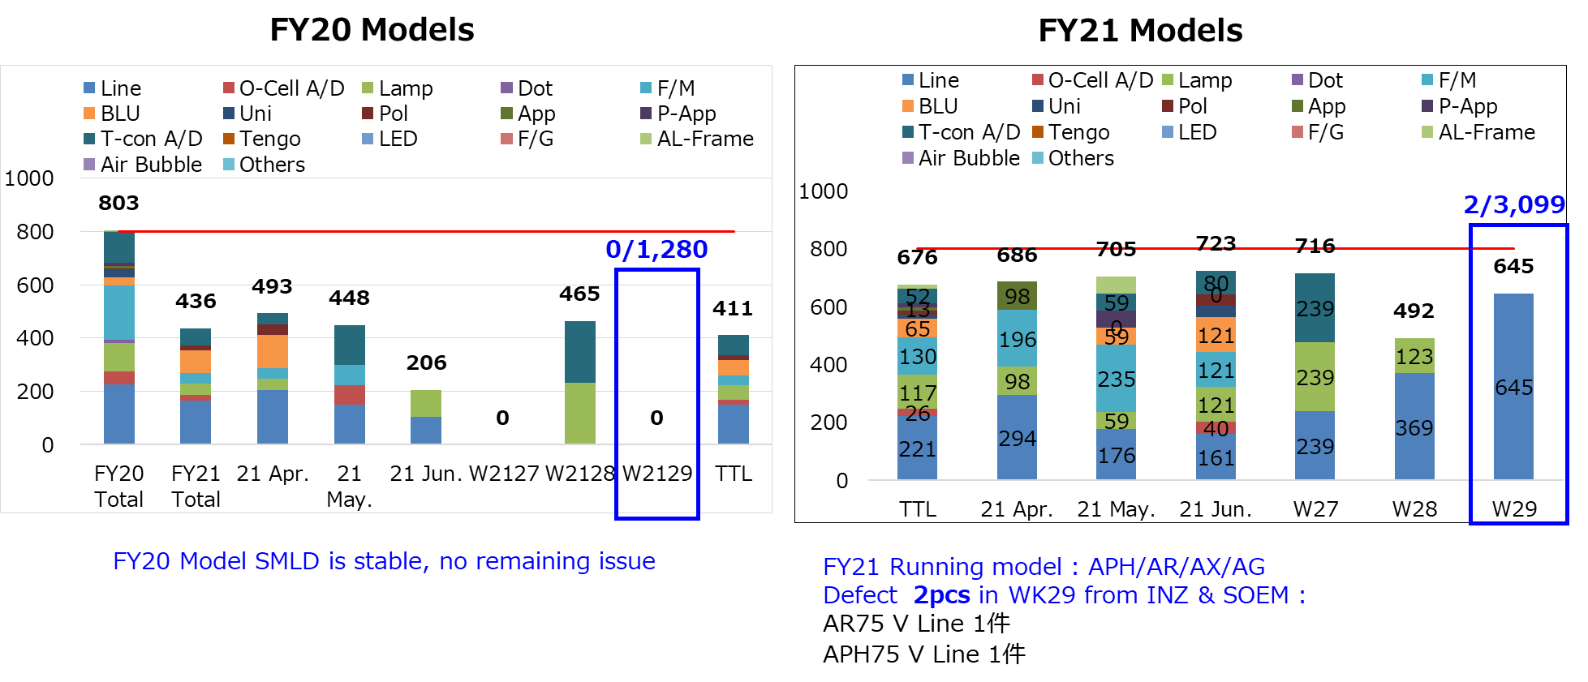
FY_Mod
FY20
FY21
FY22

